Legal Assistance & ADR
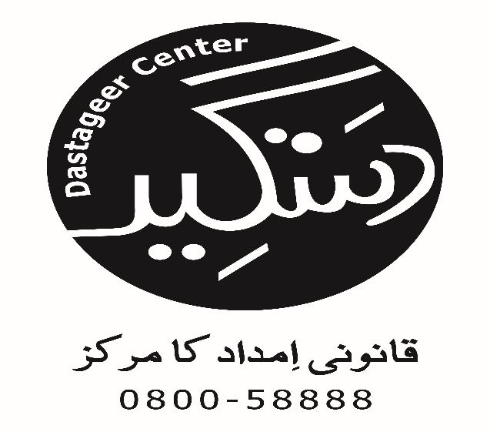
Access to Justice Project
Cases in which Legal Assistance & ADR Provided
Taraqee Foundation
S.No | Name Of Party | Contact Number | Gender (M, F or TG) | Age | CNIC # | Occupation | Marital Status | Address | Tehsil | Name of Guardian | Relation with Guardian | Contact Number | Priority Group (GBV, Minority & Disabled) | if Minority name Group | Psychosocial Support Provided (Yes/No) | Nature Of Problem | Action Taken (Legal Assistance by Sending Letter, FIR, Preparing Legal Documents, ADR (out of court settlement) etc.) | Name of Institution handling case (Court name, Police Station, Gov Institution etc. | Lawyer Name (if involved) | Cell No. | Date of Letter, FIR, Legal Documents, ADR etc. | Case Referred From (Name of LAC, Helpline, CSOs, Justice Institutions, Individuals, etc.) | Stage Proceeding (In progress or Completed) | Decision (if case concluded) | Decision Month | Successful / Unsuccessful
3 | Musrat Bhatti | 0331-3648816 | Female | 37 | 41303-6317018-5 | Primary Teacher | Married | Al Makka Palace, Flate number 6 Alamdar Chock Hyderabad | Hyderabad | Sumera | Niece | 0331-3532874 | GBV | - | Yes | Physical abuse | ADR | DIG Human Rights Cell Hyderabd | Adv:Tabassum Rani | 0345-3245039 | 2015-04-02 | Human rights commission of Pakistan | Completed | Compromise | - | -
4 | Niyamat | 0307-2748361 | Female | 35 | 41303-4142879-0 | Lady Health Worker | Married | Road sheikh bherkio jan mori village molan | Hyderabad | Abdul Hameed | Husband | - | GBV | - | Yes | Physical abuse | Legal Assistance by Sending Letter | DIG Human Rights Cell Hyderabd | Adv:Tabassum Rani | 0345-3245039 | 2015-04-10 | Reproductive Health Centers | Completed | - | - | -

